Transportation Model
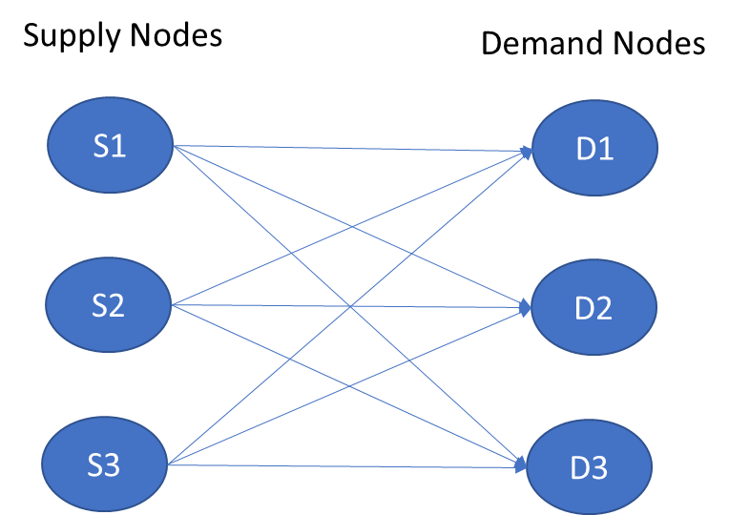
TRANSPORTATION PROBLEM EXAMPLE

Unit Cost | D1 | D2 | D3
S1 | 40 | 47 | 80
S2 | 72 | 36 | 58
S3 | 24 | 61 | 71

Shipments | D1 | D2 | D3 | Total Out |  | Supply
S1 | 0 | 100 | 0 | 100 | = | 100
S2 | 0 | 100 | 100 | 200 | = | 200
S3 | 200 | 0 | 100 | 300 | = | 300

Total In | 200 | 200 | 200
 | = | = | = |  |  | Total Cost
Demand | 200 | 200 | 200 |  |  | 26000

The problem is to minimize the transportation costs from supply nodes (S1, S2, S3) to demand nodes (D1, D2, D3)
withouth exceeding supply capacity and meeting the demand (see diagram).

 | Cells in grey are parameters (Unit transport costs and demand and supply values)

 | Cells in salmon provide optimal solution (i.e. How much should be transported from each supply location (S) to each demand location (D)

 | Cell is blue present the mimumum cost solution.

To solve this problem, open the Solver Add-In Program in the 'Data' Tab (Windows) or 'Tools' Tab (Mac). You will see the formulation of the transportation model as presented in Chapter 7.
Salmon cells will show the optimal (i.e., cost minimizing) flow of product from supply locations S to demand locations D.

Nicholson, C. F. and M. I. Gómez. 2021. “Market and Supply Chain Models for Analysis of Food Systems”, in C. Peters and D. Thilmany (eds.), Food Systems Modeling: Tools for Assessing Sustainability in Food and Agriculture. Elsevier / Academic Press.

These examples are used to illustrate applications of the Transportation and Transshipment Models
The user needs to install the Solver Add-In program in Excel.

Transshipment Model
TRANSSHIPMENT PROBLEM EXAMPLE

 |  |  |  |  | S1-P1 | S1-P2 | S2-P1 | S2-P2 | S3-P1 | S3-P2 | P1-D1 | P1-D2 | P1-D3 | P2-D1 | P2-D2 | P2-D3 | Total Cost
Unit Cost | Transshipment Node |  |  | Objective Function: | 100 | 0 | 100 | 100 | 0 | 300 | 200 | 0 | 0 | 0 | 200 | 200 | 21200
Supply Node | P1 | P2
S1 | 10 | 12
S2 | 12 | 10 |  | Unit Costs: | 10 | 12 | 12 | 10 | 15 | 12 | 20 | 22 | 40 | 22 | 20 | 32
S3 | 15 | 12 |  | S1 | 1 | 1 |  |  |  |  |  |  |  |  |  |  | 100 | 100
 |  |  |  | S1 |  |  | 1 | 1 |  |  |  |  |  |  |  |  | 200 | 200
 |  |  |  | S3 |  |  |  |  | 1 | 1 |  |  |  |  |  |  | 300 | 300
Unit Cost | Demand Node |  |  | D1 |  |  |  |  |  |  | 1 |  |  | 1 |  |  | 200 | 200
Transshipment Node | D1 | D2 | D3 | D2 |  |  |  |  |  |  |  | 1 |  |  | 1 |  | 200 | 200
P1 | 20 | 22 | 40 | D3 |  |  |  |  |  |  |  |  | 1 |  |  | 1 | 200 | 200
P2 | 22 | 20 | 32 | P1 | 1 |  | 1 |  | 1 |  | 1 | 1 | 1 |  |  |  | 0 | 0
 |  |  |  | P2 |  | 1 |  | 1 |  | 1 |  |  |  | 1 | 1 | 1 | 0 | 0

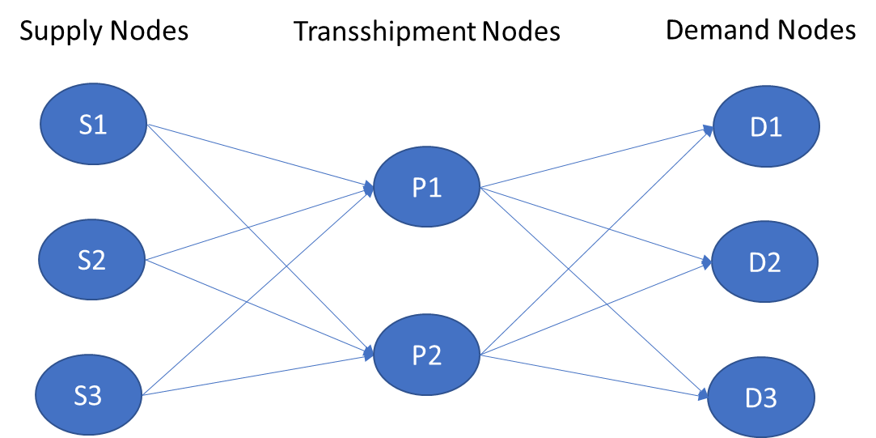
 | Supply Quantity | Demand Quantity
Node | Si | Dj
1 | 100 | 200
2 | 200 | 200
3 | 300 | 200

The problem is to minimize the transportation costs from supply nodes (S1, S2, S3) to transsipment nodes (P1, P1), and from
transshipment nodes to demand nodes (D1, D2, D3)withouth exceeding supply capacity and meeting the demand (see diagram)

 | Cells in grey are parameters (Unit transport costs and demand and supply values)

 | Cells in salmon provide optimal solution (i.e. How much should be transported from each supply location (S)
 | to transshipment location (P), and from each transshipment location (P) to each demand location (D))
 | For example 'S1-P1' in cell H3 indicates cost minimizing shipments from S1 to P1.

 | Cell is blue present the mimumum cost solution to the problem.

To solve this problem, open the Solver Add-In Program in the 'Data' Tab (Windows) or 'Tools' Tab (Mac). You will see the formulation of the transshipemt model as presented in Chapter 7.
After running Solver, salmon cells will show the optimal (i.e., cost minimizing) flow of product from supply locations S to demand locations D.

Nicholson, C. F. and M. I. Gómez. 2021. “Market and Supply Chain Models for Analysis of Food Systems”, in C. Peters and D. Thilmany (eds.), Food Systems Modeling: Tools for Assessing Sustainability in Food and Agriculture. Elsevier / Academic Press.

These examples are used to illustrate applications of the Transportation and Transshipment Models
The user needs to install the Solver Add-In program in Excel.

